Inverese Kinematics Calc
http://www.oliverjenkins.com/blog/2012/9/inverse-kinematics-and-robot-arms
http://www.learnaboutrobots.com/inverseKinematics.htm

θ1 = ATan(y / x) + ACos( (L12 - L22 + X2 + Y2) / (2 * L1 * B) )
θ2 = ACos ( (B2 - L12 - L22) / (2 * L1 * L2) )
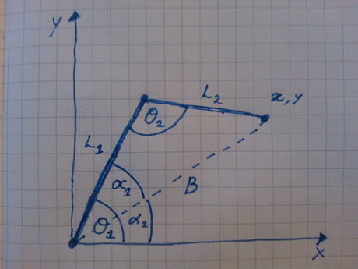

L1 | L2 | X | Y | B | θ1 | θ2
9.0 | 7.0 | 7.0 | 9.0 | 11.4 | 90.0 | 90.0
9.0 | 7.0 | 16.0 | 0.0 | 16.0 | 0.0 | 0.0
9.0 | 7.0 | 11.3137084 | 11.3137084 | 16.0 | 45.0 | 0.0
5.5 | 6.0 | 8.0 | 1.0 | 8.1 | 55.4 | 91.4

Sain Smart 4dof Arm
Z should always be on table. Bottom of robot arm is 102mm (4") below θ1 pivot point

L1 | L2 | Y | Z | B | θ1 | θ2
5.5 | 6.0 | 8.0 | -2.5 | 8.4 | 28.4 | 86.8
140.0 | 153.0 | 200.0 | -64.0 | 210.0 | 29.0 | 88.5

The problem is for my robotic arm, if θ1 changes, θ2 will change also. In the above sketch, they are independent.
The above sketch would be more appropriate is the servor for L2 was mounted at the L1-L2 joint

Imperical Data
Up/Down | Fwd/Back | Y Distance | 2nd Order Error | 3rd Order Error
492 | 274 | 0.1 | 3.58 | -23.53
476 | 278 | 0.5 | 1.71 | -22.09 | y = 5E-06x3 - 0.0096x2 + 5.6185x - 738.44
465 | 281 | 1.1 | 1.80 | -20.13
441 | 283 | 2.1 | 0.64 | -18.13
425 | 285 | 3 | 2.97 | -14.25
406 | 281 | 4 | 1.88 | -13.86
387 | 275 | 5 | 1.54 | -12.94
369 | 267 | 6 | 1.43 | -11.86
352 | 258 | 7 | 2.14 | -9.86
 | Fwd/Back
492 | 274
476 | 278
465 | 281
441 | 283
425 | 285
406 | 281
387 | 275
369 | 267
352 | 258
331 | 245
310 | 222
331 | 245 | 8 | 4.17 | -5.82
310 | 222 | 8.75 | -0.44 | -7.69

